VERSACE V1969 FOOTWEAR
VERSACE V1969 Footwear
PHOTOS | GENDER | STYLE | REF | DESCR | COL | COLOR | SIZE RANGE | 36 | 37 | 38 | 39 | 40 | 41 | 42 | 43 | 44 | 45 | 46 | QTY By BOXE | QTY of BOXES | QTY | RETAIL | TOTAL
 | Women | Sabine | S24WSHO09 | GALANTARIES SLIPPER | 100 % POLYURETHAN | BLACK | A | 1 | 2 | 2 | 2 | 2 | 1 |  |  |  |  |  | 10 | 37 | 370 | 129.90 € | 48,063.00 €
 | Women | Sabine | S24WSHO09 | GALANTARIES SLIPPER | 100 % POLYURETHAN | BLACK | B |  | 1 | 2 | 2 | 2 | 2 | 1 |  |  |  |  | 10 | 49 | 490 | 129.90 € | 63,651.00 €
 | Women | Sabine | S24WSHO09 | GALANTARIES SLIPPER | 100 % POLYURETHAN | BEIGE | A | 1 | 2 | 2 | 2 | 2 | 1 |  |  |  |  |  | 10 | 13 | 130 | 129.90 € | 16,887.00 €
 | Women | Sabine | S24WSHO09 | GALANTARIES SLIPPER | 100 % POLYURETHAN | BEIGE | B |  | 1 | 2 | 2 | 2 | 2 | 1 |  |  |  |  | 10 | 24 | 240 | 129.90 € | 31,176.00 €
 | Women | Sula | S24WSHO08 | GALANTARIES SLIPPER | 100 % POLYURETHAN | BLACK | A | 1 | 2 | 2 | 2 | 2 | 1 |  |  |  |  |  | 10 | 38 | 380 | 119.90 € | 45,562.00 €
 | Women | Sula | S24WSHO08 | GALANTARIES SLIPPER | 100 % POLYURETHAN | BLACK | B |  | 1 | 2 | 2 | 2 | 2 | 1 |  |  |  |  | 10 | 48 | 480 | 119.90 € | 57,552.00 €
 | Women | Sula | S24WSHO08 | GALANTARIES SLIPPER | 100 % POLYURETHAN | BEIGE | A | 1 | 2 | 2 | 2 | 2 | 1 |  |  |  |  |  | 10 | 13 | 130 | 119.90 € | 15,587.00 €
 | Women | Sula | S24WSHO08 | GALANTARIES SLIPPER | 100 % POLYURETHAN | BEIGE | B |  | 1 | 2 | 2 | 2 | 2 | 1 |  |  |  |  | 10 | 23 | 230 | 119.90 € | 27,577.00 €
 | Women | Steph | S24WSHO10 | GALANTARIES SLIPPER | 100 % POLYURETHAN | BLACK | A | 1 | 2 | 2 | 2 | 2 | 1 |  |  |  |  |  | 10 | 37 | 370 | 119.90 € | 44,363.00 €
 | Women | Steph | S24WSHO10 | GALANTARIES SLIPPER | 100 % POLYURETHAN | BLACK | B |  | 1 | 2 | 2 | 2 | 2 | 1 |  |  |  |  | 10 | 48 | 480 | 119.90 € | 57,552.00 €
 | Women | Steph | S24WSHO10 | GALANTARIES SLIPPER | 100 % POLYURETHAN | BEIGE | A | 1 | 2 | 2 | 2 | 2 | 1 |  |  |  |  |  | 10 | 13 | 130 | 119.90 € | 15,587.00 €
 | Women | Steph | S24WSHO10 | GALANTARIES SLIPPER | 100 % POLYURETHAN | BEIGE | B |  | 1 | 2 | 2 | 2 | 2 | 1 |  |  |  |  | 10 | 23 | 230 | 119.90 € | 27,577.00 €
 | Women | Sophie | S24WSHO06 | GALANTARIES SLIPPER | 100 % POLYURETHAN | BLACK | A | 1 | 2 | 2 | 2 | 2 | 1 |  |  |  |  |  | 10 | 37 | 370 | 99.90 € | 36,963.00 €
 | Women | Sophie | S24WSHO06 | GALANTARIES SLIPPER | 100 % POLYURETHAN | BLACK | B |  | 1 | 2 | 2 | 2 | 2 | 1 |  |  |  |  | 10 | 48 | 480 | 99.90 € | 47,952.00 €
 | Women | Sophie | S24WSHO06 | GALANTARIES SLIPPER | 100 % POLYURETHAN | BEIGE | A | 1 | 2 | 2 | 2 | 2 | 1 |  |  |  |  |  | 10 | 12 | 120 | 99.90 € | 11,988.00 €
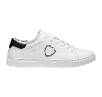
 | Women | Sophie | S24WSHO06 | GALANTARIES SLIPPER | 100 % POLYURETHAN | BEIGE | B |  | 1 | 2 | 2 | 2 | 2 | 1 |  |  |  |  | 10 | 24 | 240 | 99.90 € | 23,976.00 €
 | MEN | PIUS | S25MSHO10 | SNEAKER | 901 | BLACK | 40 - 46 |  |  |  |  | 109 | 98 | 194 | 299 | 190 | 204 | 109 |  |  | 1,203 | 199.90 € | 240,479.70 €
 | MEN | PIUS | S25MSHO10 | SNEAKER | 650 | NAVY | 40 - 46 |  |  |  |  | 82 | 71 | 142 | 219 | 145 | 151 | 82 |  |  | 892 | 199.90 € | 178,310.80 €
 | MEN | PIUS | S25MSHO10 | SNEAKER | 501 | GREEN | 40 - 46 |  |  |  |  | 42 | 31 | 62 | 99 | 55 | 71 | 42 |  |  | 402 | 199.90 € | 80,359.80 €
 | MEN | PIUS | S25MSHO10 | SNEAKER | 400 | RED | 40 - 46 |  |  |  |  | 63 | 52 | 100 | 158 | 103 | 109 | 62 |  |  | 647 | 199.90 € | 129,335.30 €
 | MEN | RIKO | S25MSHO11 | SNEAKER | 100 | WHITE | 40 - 46 |  |  |  |  | 44 | 34 | 66 | 109 | 69 | 75 | 45 |  |  | 442 | 199.90 € | 88,355.80 €
 | MEN | OLE | S25MSHO12 | SNEAKER | 6542 | NAVY / PIN | 40 - 46 |  |  |  |  | 85 | 84 | 168 | 252 | 167 | 168 | 83 |  |  | 1,007 | 199.90 € | 201,299.30 €
 | MEN | OLE | S25MSHO12 | SNEAKER | 6030 | AZZURRO / | 40 - 46 |  |  |  |  | 53 | 41 | 79 | 127 | 82 | 89 | 51 |  |  | 522 | 199.90 € | 104,347.80 €
 | MEN | OLE | S25MSHO12 | SNEAKER | 4050 | RED / GREE | 40 - 46 |  |  |  |  | 54 | 42 | 83 | 131 | 84 | 91 | 51 |  |  | 536 | 199.90 € | 107,146.40 €
 | MEN | MIO | S25MSHO13 | RUNNER | 4050 | RED / GREE | 40 - 46 |  |  |  |  | 52 | 44 | 84 | 131 | 80 | 88 | 39 |  |  | 518 | 199.90 € | 103,548.20 €
 | MEN | MICK | S25MSHO14 | RUNNER | 6562 | NAVY / LIG | 40 - 46 |  |  |  |  | 51 | 39 | 76 | 118 | 70 | 80 | 35 |  |  | 469 | 199.90 € | 93,753.10 €
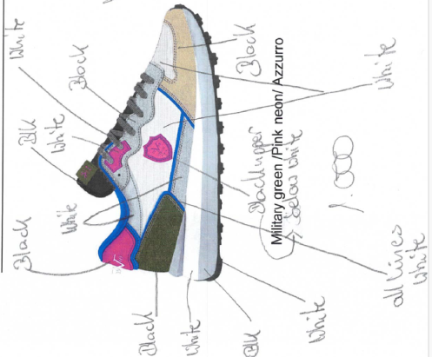 | MEN | MICK | S25MSH015 | RUNNER | New Style 2 |  | 40 - 46 |  |  |  |  | 75 | 68 | 131 | 200 | 128 | 135 | 65 |  |  | 802 | 199.90 € | 160,319.80 €
 | MEN | SATORIO | SW25MSHO23 | RUNNER | 1127 | BLUE/BEIGE | 40-46 |  |  |  |  | 3 | 3 | 6 | 9 | 6 | 63 | 17 |  |  | 107 | 199.90 € | 21,389.30 €
 | MEN | SATORIO | SW25MSHO23 | RUNNER | 1129 | BLUE/SILVER | 40-46 |  |  |  |  | 4 | 4 | 8 | 12 | 8 | 8 | 4 |  |  | 48 | 199.90 € | 9,595.20 €
 | MEN | SATORIO | SW25MSHO23 | RUNNER | 1128 | OFFWHITE/RED | 40-46 |  |  |  |  | 3 | 3 | 6 | 9 | 6 | 6 | 3 |  |  | 36 | 199.90 € | 7,196.40 €
 | MEN | SASSUOLO | S25MSLI01 | CORK SLIPPER | 901 | BLACK | 40 - 46 |  |  |  |  | 126 | 149 | 294 | 447 | 292 | 299 | 148 |  |  | 1,755 | 89.90 € | 157,774.50 €
 | MEN | SASSUOLO | S25MSLI01 | CORK SLIPPER | 851 | GREY AOP | 40 - 46 |  |  |  |  | 125 | 124 | 247 | 374 | 248 | 250 | 125 |  |  | 1,493 | 89.90 € | 134,220.70 €
 | MEN | SASSUOLO | S25MSLI01 | CORK SLIPPER | 550 | MILITARY G | 40 - 46 |  |  |  |  | 110 | 102 | 201 | 306 | 198 | 206 | 102 |  |  | 1,225 | 89.90 € | 110,127.50 €
 | MEN | SASSUOLO | S25MSLI01 | CORK SLIPPER | 650 | navy | 40 - 46 |  |  |  |  | 113 | 113 | 226 | 337 | 225 | 225 | 113 |  |  | 1,352 | 89.90 € | 121,544.80 €
 | UNISEX | YAEL | S25USLI01 | RUBBER SLIPPER | 901 | BLACK | 36 - 46 | 30 | 30 | 61 | 92 | 154 | 153 | 217 | 280 | 186 | 187 | 93 |  |  | 1,483 | 59.90 € | 88,831.70 €
 | UNISEX | YAEL | S25USLI01 | RUBBER SLIPPER | 650 | NAVY | 36 - 46 | 29 | 29 | 58 | 87 | 159 | 161 | 224 | 282 | 192 | 186 | 97 |  |  | 1,504 | 59.90 € | 90,089.60 €
 | UNISEX | JADE | S25USLI02 | RUBBER SLIPPER | 621 | LIGHT BLUE | 36 - 46 | 21 | 21 | 42 | 65 | 89 | 89 | 114 | 140 | 93 | 93 | 46 |  |  | 813 | 59.90 € | 48,698.70 €
 | UNISEX | JADE | S25USLI02 | RUBBER SLIPPER | 505 | ICE GREEN | 36 - 46 | 25 | 25 | 50 | 75 | 109 | 109 | 140 | 173 | 115 | 115 | 57 |  |  | 993 | 59.90 € | 59,480.70 €
 | UNISEX | JADE | S25USLI02 | RUBBER SLIPPER | 420 | PINK | 36 - 46 | 77 | 77 | 154 | 231 | 153 | 153 | 76 |  |  |  |  |  |  | 921 | 59.90 € | 55,167.90 €
 | UNISEX | JANNE | S25USLI03 | RUBBER SLIPPER | 851 | GREY AOP | 36 - 46 | 21 | 21 | 42 | 63 | 104 | 104 | 147 | 190 | 126 | 126 | 63 |  |  | 1,007 | 69.90 € | 70,389.30 €
 | UNISEX | ORI | S25USLI04 | RUBBER SLIPPER | 300 | BROWN AOP | 36 - 46 | 26 | 26 | 52 | 78 | 100 | 100 | 123 | 146 | 97 | 97 | 48 |  |  | 893 | 69.90 € | 62,420.70 €
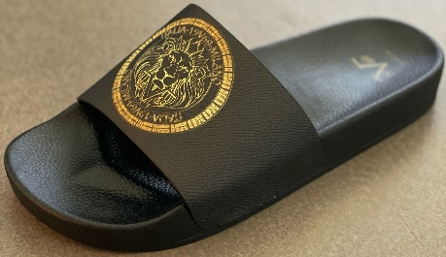 | UNISEX |  | S25USLI05 | RUBBER SLIPPER | 901 G | black / Gold | 36 - 46 | 42 | 42 | 84 | 126 | 126 | 126 | 126 | 126 | 84 | 84 | 42 |  |  | 1,008 | 69.90 € | 70,459.20 €
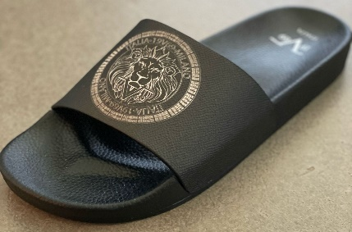 | UNISEX |  | S25USLI05 | RUBBER SLIPPER | 901 S | Black / silver | 36 - 46 | 21 | 21 | 42 | 63 | 104 | 104 | 149 | 186 | 124 | 124 | 62 |  |  | 1,000 | 69.90 € | 69,900.00 €
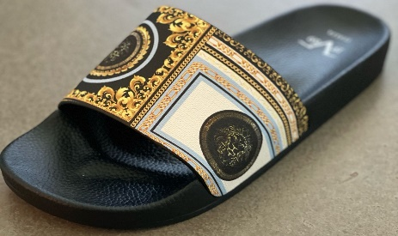 | UNISEX |  | S25USLI06 | RUBBER SLIPPER | 9002 | türkis AOP | 36 - 41 |  |  |  |  | 84 | 84 | 168 | 252 | 168 | 168 | 84 |  |  | 1,008 | 69.90 € | 70,459.20 €
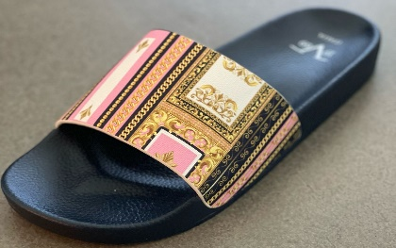 | UNISEX |  | S25USLI06 | RUBBER SLIPPER | 9009 | rose AOP | 36 - 46 | 84 | 84 | 168 | 252 | 168 | 168 | 84 |  |  |  |  |  |  | 1,008 | 69.90 € | 70,459.20 €
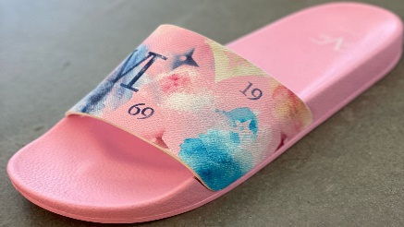 | UNISEX |  | S25USLI07 | RUBBER SLIPPER |  | rose AOP | 36 - 46 | 84 | 84 | 168 | 252 | 168 | 168 | 84 |  |  |  |  |  |  | 1,008 | 69.90 € | 70,459.20 €
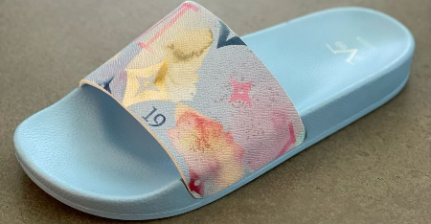 | UNISEX |  | S25USLI07 | RUBBER SLIPPER |  | LIGHT BLUE AOP | 36 - 46 | 21 | 21 | 42 | 63 | 104 | 104 | 149 | 186 | 124 | 124 | 62 |  |  | 1,000 | 69.90 € | 69,900.00 €
 | WOMEN | NALA | S25WSHO10 | SNEAKER | 890 | SILVER | 36 - 42 | 59 | 41 | 91 | 149 | 95 | 108 | 63 |  |  |  |  |  |  | 606 | 199.90 € | 121,139.40 €
 | WOMEN | NALA | S25WSHO10 | SNEAKER | 420 | PINK | 36 - 42 | 68 | 49 | 109 | 165 | 111 | 124 | 72 |  |  |  |  |  |  | 698 | 199.90 € | 139,530.20 €
 | WOMEN | NALA | S25WSHO10 | SNEAKER | 290 | GOLD | 36 - 42 | 64 | 46 | 101 | 166 | 105 | 119 | 68 |  |  |  |  |  |  | 669 | 199.90 € | 133,733.10 €
 | WOMEN | MOANA | S25WSHO11 | SNEAKER | 100 | WHITE | 36 - 42 | 62 | 57 | 120 | 188 | 125 | 130 | 67 |  |  |  |  |  |  | 749 | 199.90 € | 149,725.10 €
 | WOMEN | NIKA | S25WSHO12 | SNEAKER | 100 | WHITE | 36 - 42 | 63 | 44 | 99 | 164 | 105 | 118 | 69 |  |  |  |  |  |  | 662 | 199.90 € | 132,333.80 €
 | WOMEN | SENTA | S25WSHO13 | RUNNER | 3030 | BEIGE / LE | 36 - 42 | 60 | 56 | 116 | 181 | 120 | 125 | 64 |  |  |  |  |  |  | 722 | 199.90 € | 144,327.80 €
 | WOMEN | POLLY | S25WSHO14 | RUNNER | 3042 | BEIGE / PI | 36 - 42 | 60 | 56 | 116 | 181 | 120 | 125 | 64 |  |  |  |  |  |  | 722 | 199.90 € | 144,327.80 €
 | WOMEN | POLLY | S25WSHO14 | RUNNER |  | beige / purple | 36 - 42 | 76 | 63 | 125 | 198 | 129 | 145 | 73 |  |  |  |  |  |  | 809 | 199.90 € | 161,719.10 €
 | WOMEN | SASSARI | S25WSLI01 | CORK SLIPPER | 901 | BLACK | 36 - 42 | 74 | 60 | 121 | 195 | 126 | 143 | 73 |  |  |  |  |  |  | 792 | 89.90 € | 71,200.80 €
 | WOMEN | SASSARI | S25WSLI01 | CORK SLIPPER | 621 | LIGHT BLUE | 36 - 42 | 67 | 53 | 108 | 176 | 113 | 129 | 66 |  |  |  |  |  |  | 712 | 89.90 € | 64,008.80 €
 | WOMEN | SASSARI | S25WSLI01 | CORK SLIPPER | 505 | ICE GREEN | 36 - 42 | 75 | 73 | 152 | 236 | 157 | 162 | 84 |  |  |  |  |  |  | 939 | 89.90 € | 84,416.10 €
 | WOMEN | SASSARI | S25WSLI01 | CORK SLIPPER | 420 | PINK | 36 - 42 | 74 | 58 | 119 | 193 | 125 | 142 | 73 |  |  |  |  |  |  | 784 | 89.90 € | 70,481.60 €
 | WOMEN | SASSARI | S25WSLI01 | CORK SLIPPER | 300 | BROWN | 36 - 42 | 108 | 104 | 214 | 327 | 218 | 221 | 113 |  |  |  |  |  |  | 1,305 | 89.90 € | 117,319.50 €
TOTAL VERSACE V1969 FOOTWEAR |  |  |  |  |  |  |  |  |  |  |  |  |  |  |  |  |  |  |  |  | 42,141 | 119.89 € | 5,052,095.90 €

